Step 1
Quantitative Reasoning Process |  | Step 1: Identify the problem
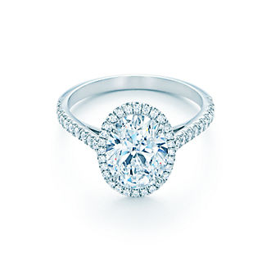

 |  |  | Background
 | Juan wants to marry Sara and needs to buy a ring. He has $1150 saved and is willing to borrow money to buy the perfect ring. Before looking at any more numbers, what do you think Juan should do? |  | • Juan and Sara are in love. • They are planning to become engaged soon. • They have spent hours window shopping at jewelry stores looking at engagement rings together. • Sara has even tried on a few rings. • Juan and Sara are both still in school so they want to be financially careful about their decision. • But Sara has pointed out that she will have this ring forever. • Juan would like to surprise her with the ring. • Sara agrees because it is Juan’s gift to her.

He must buy a durable ring that looks nice but cost $1150 or less because they want to be financially careful (less would be better).

Step 2
Quantitative Reasoning Process |  | Step 2: Identify Key Variables/Make Key Assumptions

The price of the ring.
Money saved.
 |  |  | What are the key variables for solving this problem?
 | • Juan wants to marry Sara and needs to buy a ring. • He has $1150 saved and is willing to borrow a little to get the perfect ring. • Juan and Sara are in love. • They are planning to become engaged soon. • They have spent hours window shopping at jewelry stores looking at engagement rings together. • Sara has even tried on a few rings. • Juan and Sara are both still in school so they want to be financially careful about their decision. • But Sara has pointed out that she will have this ring forever. • Juan would like to surprise her with the ring. • Sara agrees because it is Juan’s gift to her.

 |  |  | What are the key assumptions for solving this problem?
No unforeseen event will happen that makes Juan need to spend his savings.

Step 3
Quantitative Reasoning Process |  | Step 3: Apply Quantitative Tools

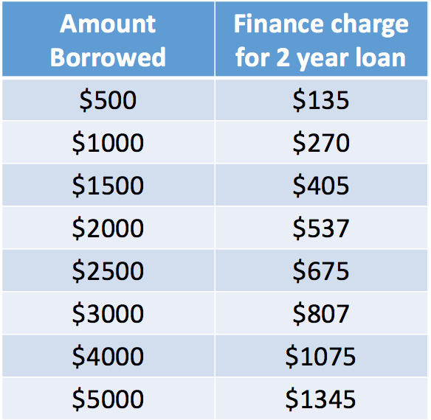

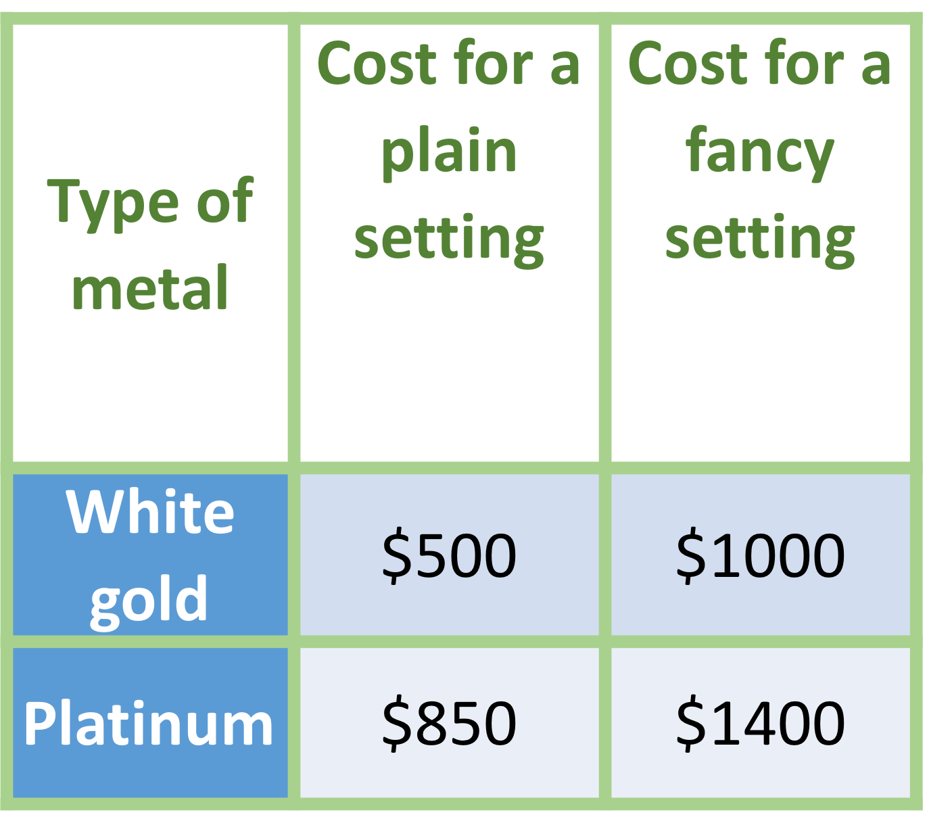
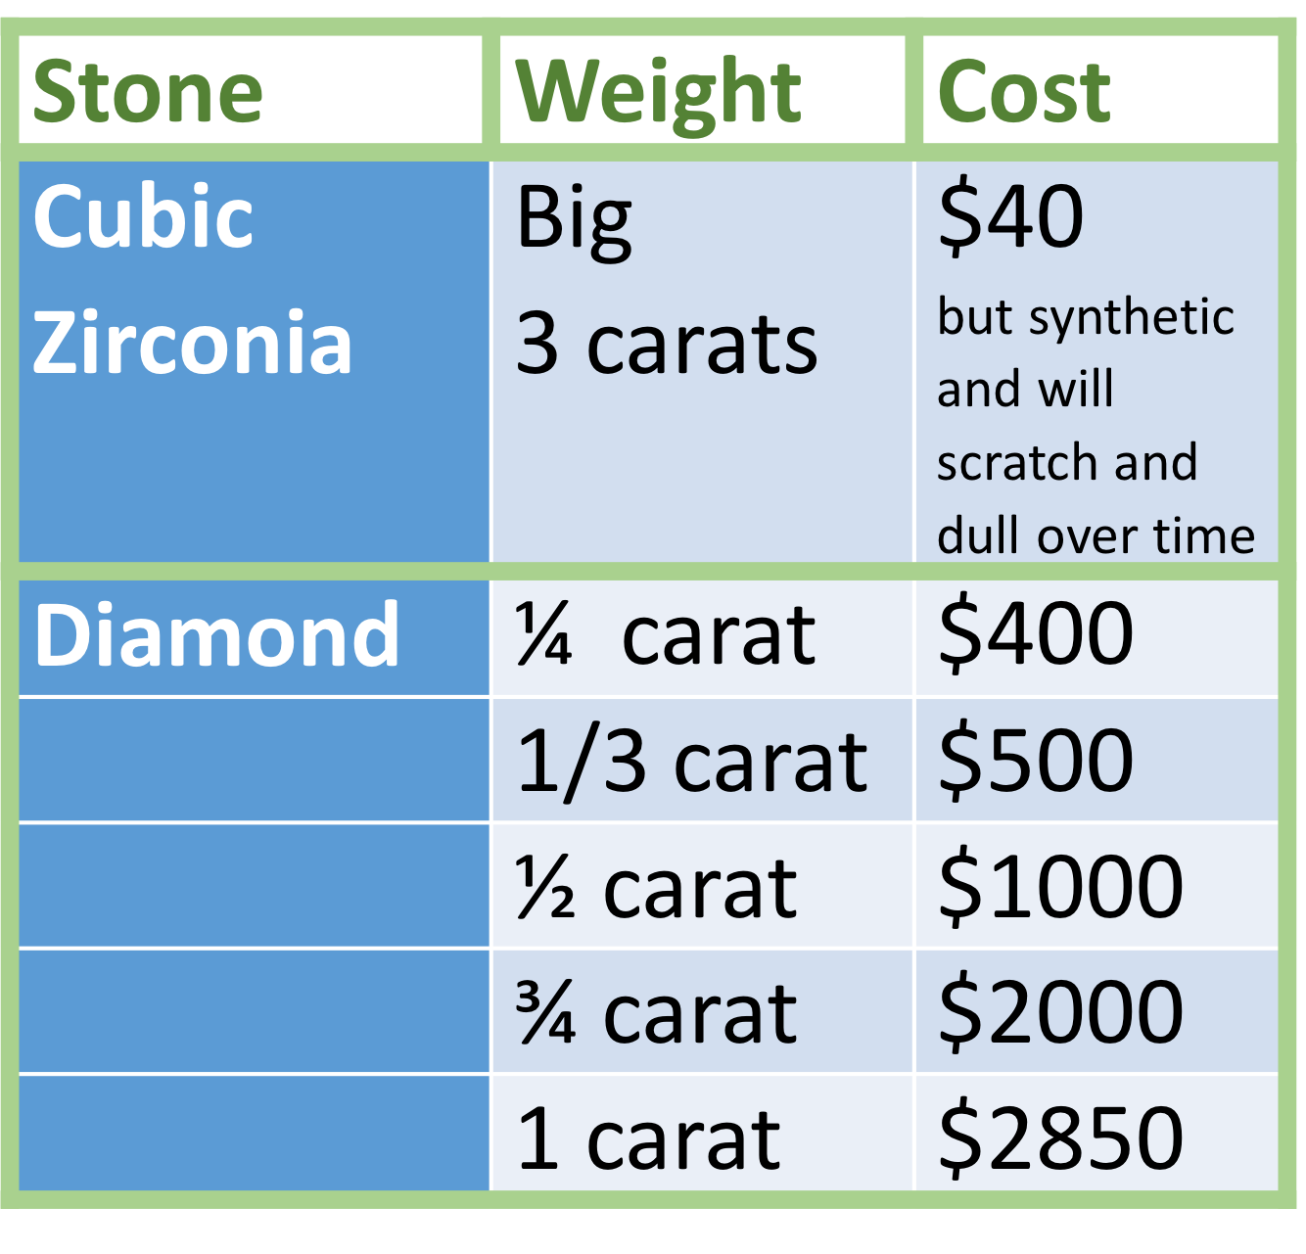

1.
2.
3.
 | Based on the information presented what do you think Juan should decide?

 |  | 1 | Please list your choice of setting, metal type, and stone.
 |  | 2 | Then find the total cost and amount needed to borrow + finance charge.
 |  | 3 | Lastly list how much he needs to pay beyond his savings for your choice.

Step 4
Quantitative Reasoning Process |  | Step 4: Make Informed Decisions



 |  |  | The sales person encourages Juan to “just look” at a few of the more expensive options and imagine how thrilled Sara will be when she shows her stunning engagement ring to friends and family.

 |  |  | Conclusion: Juan buys a much more expensive ring than he originally decided to buy!

 |  |  | Notice that Juan didn't follow-through with the informed decision he made previously. Which type of logical fallacy does this example represent? Explain.

 | Posters At the Store

Appeal to emotion. the seller emotionally manipulated Juan by making him think about how happy Sara would be with a more expensive ring, with the purpose of earning more money, and not because it is the best financial option for Juan.

Step 5
Quantitative Reasoning Process | Step 5: Evaluate Your Reasoning

Why do you think that marketing is so effective at preventing people from using Quantitative and Logical Reasoning?

Because they use the fallacy "Appeal to emotion" a lot and most of the time emotions win over logic.

What steps do you think you could take to help you avoid logical fallicies that prevent effective reasoning?

